CNW-AD
SMARTEMP PRODUCT SELECTION CALCULATOR
Circular Nozzle [CNW-AD]

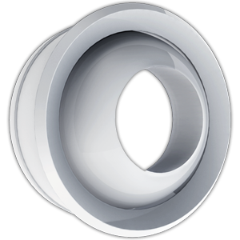
Inputs |  |  |  |  |  |  |  |  |  |  | v 1.10 [08/2017]

Airflow Rate | 350 | [L/s] | [m3/h]

Maximum Permissible Pressure | 50 | Pa | default 50 Pa

 | Include Swirl Element [Type S1]

Results
 | DN200 [S0] | DN250 [S0] | DN315 [S0] | DN400 [S0] | DN500 [S0] | DN630 [S0]
Throw (m) | 73.5 | 57.3 | 43.5 | 30.9 | 24.0 | 17.5
Sound Power Level (dB(A)) | 68.2 | 56.9 | 44.9 | 31.1 | 21.9 | < 20
Total Pressure (Pa) | 889.1 | 346.3 | 133.7 | 41.3 | 19.7 | < 10
Max Selected Total Pressure (Pa) | 50.0 | 50.0 | 50.0 | 50.0 | 50.0 | 50.0 | Key: | Suitable | Not Suitable | Warning
Min Centreline Distance (m) | 0.300 | 0.375 | 0.473 | 0.600 | 0.750 | 0.945 | * | Refer to 'Notes CNW-AD' worksheet for notes and diffuser sizing

 |  | click to see product on smartair.asia |  |  |  |  |  | Copyright © 2016 SMARTAIR DIFFUSION

Notes CNW-AD
SMARTEMP PRODUCT SELECTION CALCULATOR
Circular Nozzle [CNW-AD] Notes

Diffuser Sizing

Select Unit Size | DN400

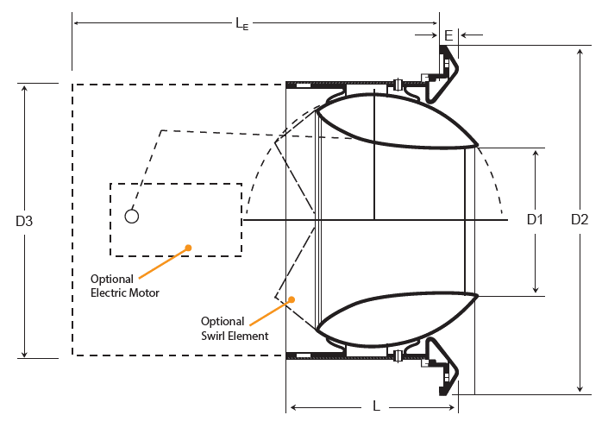
D3 = 398
D1 = 230
D2 = 467
L = 194
E = 24
Le = 340

 |  | 1 | D3 | 398 | D3 = 398
 |  | 2 | D1 | 230 | D1 = 230
 |  | 3 | D2 | 467 | D2 = 467
 |  | 4 | L | 194 | L = 194
 |  | 5 | E | 24 | E = 24
 |  | 6 | LE | 340 | Le = 340

 |  |  |  |  |  |  |  | ALL DIMENSIONS IN mm

Diffuser Location

 |  |  |  |  | Non Swirl Type Selected
Size: DN200 [S0]; C ≥ 0.3 m
Size: DN400 [S0]; C ≥ 0.6 m

Size: DN250 [S0]; C ≥ 0.375 m
Size: DN500 [S0]; C ≥ 0.75 m

Size: DN315 [S0]; C ≥ 0.473 m
Size: DN630 [S0]; C ≥ 0.945 m
C

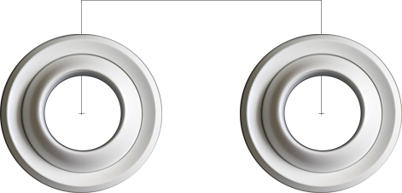

 |  | Size: DN200 [S0]; C ≥ 0.3 m | Size: DN250 [S0]; C ≥ 0.375 m | Size: DN315 [S0]; C ≥ 0.473 m | Size: DN400 [S0]; C ≥ 0.6 m | Size: DN500 [S0]; C ≥ 0.75 m | Size: DN630 [S0]; C ≥ 0.945 m

