ISF-AD
SMARTEMP PRODUCT SELECTION CALCULATOR
Inclined Floor Swirl Diffuser [ISF-AD]

Inputs |  |  |  | Configuration |  |  |  |  |  | v 1.8 [10/2017]

Airflow Rate | 40 | L/s | default 40 L/s |  | I: Inclined |  | V: Vertical
 |  |  |  |  | E: Electrical VAV |  | IV: Inclined-Vertical (default)
Maximum Total Pressure | 20 | Pa | default 20 Pa

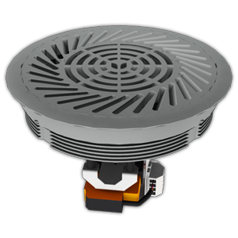
Results

Pre-Set Setting * | - | - | - | -
Airflow Rate [L/s] | - | - | - | -
Discharge Direction



Fully Adjustable Range * | -
Airflow Rate Range [L/s] | - | -
Direction of Face Rotation
Discharge Direction









Partially Adjustable Range * | Min - Low |  | Low - Med |  | Med - High |  | High - Max
Airflow Rate Range [L/s] | 4.8 | 21.7 | 19.3 | 36.1 | 24.1 | 40.9 | 31.3 | 48.2
Direction of Face Rotation
Discharge Direction | ↑ | ↗ | ↑ | ↗ | ↑ | ↗ | ↑ | ↗



Sound
Sound Power Level [dB(A)] | 32.4 |  | Direction for decreased airflow |  |  | ↑ Vertical discharge | Key: | Suitable | Not Suitable
Sound Pressure Level [NC] ** | 21.4 |  | Direction for increased airflow |  |  | ↗ Inclined discharge | * | Suitable results within ± 10% of 'Airflow Rate'
 |  |  |  |  |  |  | ** | NC per diffuser based on 1.1 m distance to occupant's ear
 |  |  |  |  |  |  |  | Refer to 'Notes ISF-AD' for product notes
 | click here to see product on smartair.asia |  |  |  |  |  |  | Copyright © 2017 SMARTAIR DIFFUSION

